Sheet1
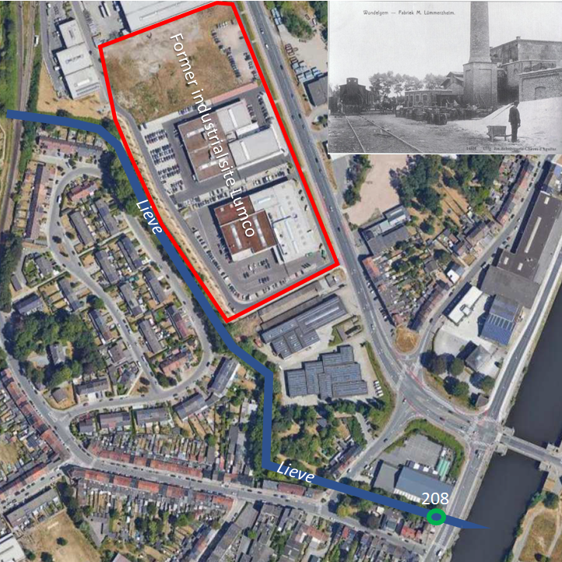
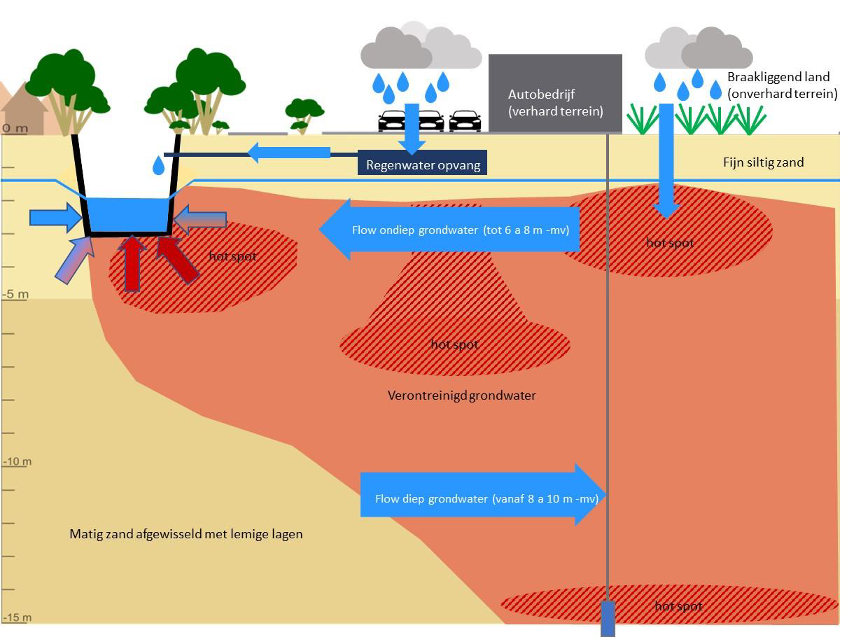
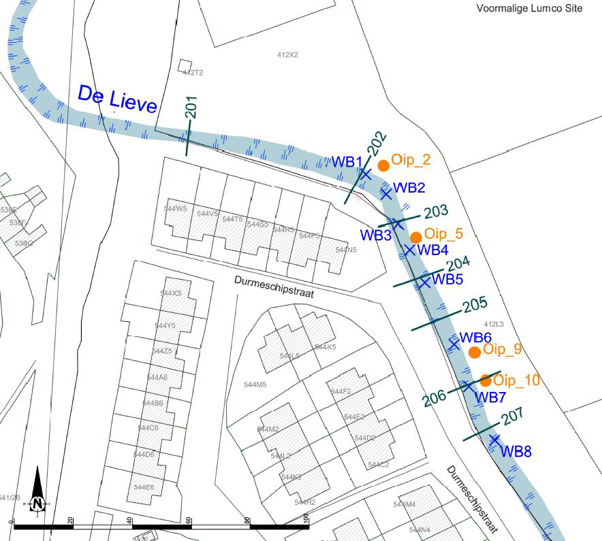
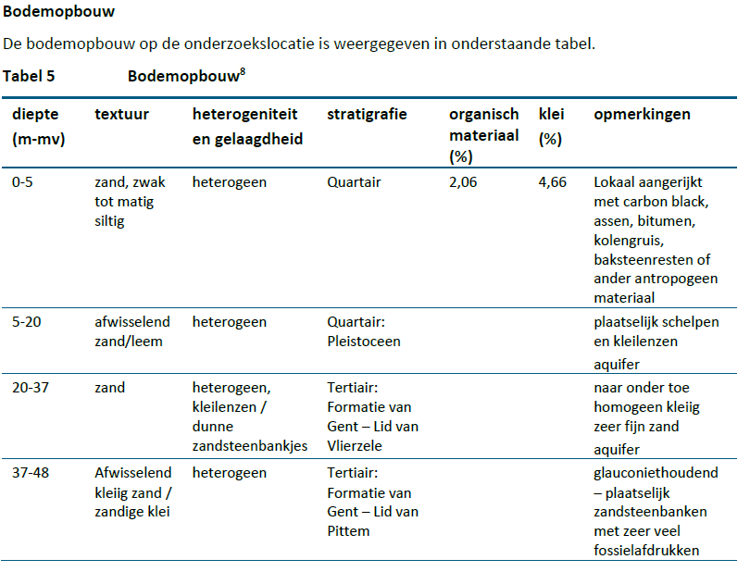
Geohydraulical info
Texture phreatic aquifer to 6 m bgl | fine, silty sand
Hydraulic conductivity phreatic aquifer | 0.55 | m/d
Hydraulic head groundwater at about 3 meter from canal | 4.9 | mTAW
Level surface water in canal | 4.69 | mTAW
Flow rate phreatic groundwater | 10 | cm/d | Fluxmeter
Flow rate surface water canal | 35 | m/d | Roughly measured
Width canal | 5 | m
Depth canal | 0.6 | m | average

Organic matter content phreatic aquifer | 2 | %
Lutum content phreatic aquifer | 4.7 | %

Miscelaneous
Point of departure two flow paths: 1. from OIP5 to canal (or instantane/stationaire); 2. from upstream via OIP2 to canal
Near OIP5 free product is present
At OIP2 inflow of dissolved contaminants come from upstream NorthEast
For concentrations PAH, BTEX and TPH in groundwater OIP2 and OIP5 as well as in surface water 202, 203,204 see Excel file 'Table measurements De Lieve'
Only at dates 3-2-2020; 30-3-2020 and 4-6-2020 the reactive mat was not in place yet: natural situation

